OLED128x128
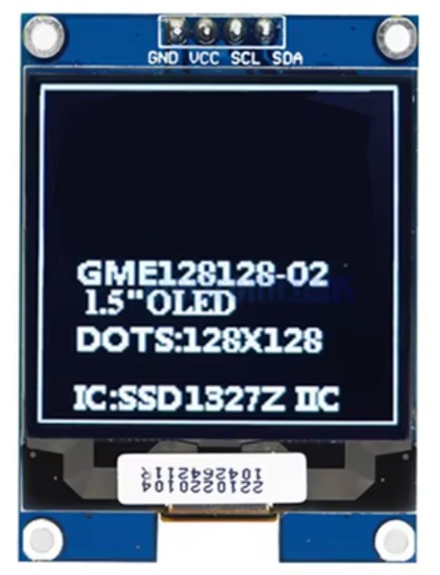
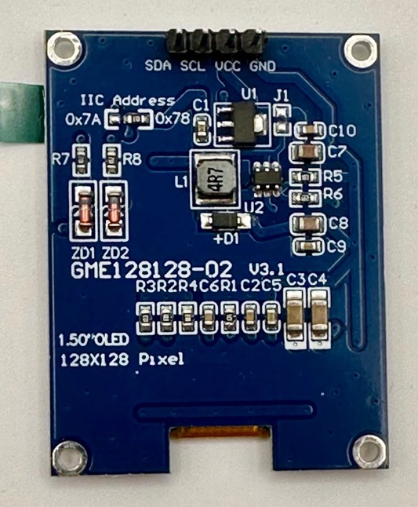
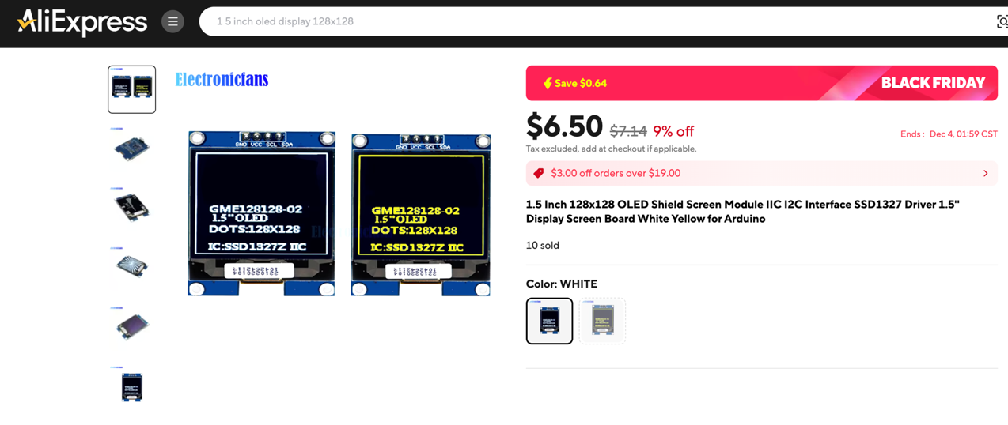
https://www.aliexpress.us/item/3256801227860746.html | SEE OLED 128x128 TAB. White, V3.1, SSD1327, notched PCBA, with header pre-installed. The store ElectronicFans/Electronicains sells the correct one. I've tried other stores that advertise the V3.0 or V3.1 with the notch, but they end up shipping V2 without the notch and backwards I2C pin order.

